User Form
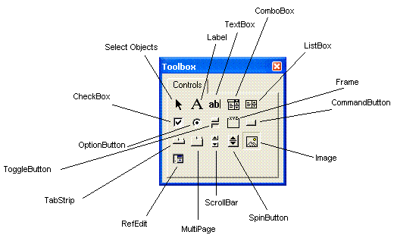

 | UserForm Controls - A SnapShot

UserForm Controls - A SnapShot

UserForm Controls ToolBox is shown in Image 2

Image 2

UserFormToolBox Controls - A Snapshot

Control | Use
Label | Stores text which is not editable by user, and is used to describe other controls.
TextBox | Holds text by allowing user to enter or modify.
ComboBox | Is a list of items from which a user can select, and also allows user to enter his own item in the text box. ComboBox is a combination of TextBox and ListBox.
ListBox | Is a list of items from which a user can select, but does not allow user to enter his own item.
CheckBox | A CheckBox whether selected or not, indicates True or False values. Used to select mutually exclusive options viz. Yes/No, On/Off, …
OptionButton | Used to make one selection from multiple options. Also referred to as Radio Button.
ToggleButton | Executes one action when clicked first and a different action on the second click. The button toggles bewteen the two states, On and Off.
Frame | Used to group controls that work together or have some commonality. Particularly useful to group OptionButtons which become mutually exclusive within a Frame.
CommandButton | A button, when clicked by the user, executes a code or action.
TabStrip | Is a collection of Tabs wherein each Tab contains the same set of controls, and the content of the controls changes when a different Tab is selected.
MultiPage | Comprises of one or more Page objects, each containing its own set of controls. Selecting a Page (ie. making it visible) hides the other Pages of the MultiPage control.
ScrollBar | Is used to change (increment or decrement) the value displayed by other controls. The ScrollBar box can be dragged to change the control's value over larger increments.
SpinButton | Similar to a ScrollBar, is used to increment or decrement the value displayed by other controls, without the drag facility.
Image | Is used to display a Picture on the UserForm.
RefEdit | Allows a user to select a worksheet range from a box, or to type in the range therein. It behaves similar to the built-in Excel reference boxes.

UserForm Basics

UserForm Application | VBA Code | What is Does
To Display a UserForm | UserForm1.Show | Displays the UserForm with name UserForm1. This code should be inserted in a Standard VBA Module and not in the Code Module of the UserForm. You can create a button in a worksheet, then right click to assign macro to this button, and select the macro which shows the UserForm.
Load a UserForm into memory but do not display | Load UserForm1 | Load statement is useful in case of a complex UserForm that you want to load into memory so that it displays quickly on using the Show method, which otherwise might take a longer time to appear.
Remove a UserForm from memory / Close UserForm | Unload UserForm1 | Note: The Hide method (UserForm1.Hide) does not unload the UserForm from memory. To unload the UserForm from memory, the Unload method should be used.
 | Unload Me | Use the Me keyword in a procedure in the Code Module of the UserForm.
Hide a UserForm | UserForm1.Hide | Using the Hide method will temporarily hide the UserForm, but will not close it and it will remain loaded in memory.
Print a UserForm | UserForm1.PrintForm | The PrintForm method sends the UserForm directly for printing.
Display UserForm as Modeless | UserForm1.Show False | If the UserForm is displayed as Modeless, user can continue working in Excel while the UserForm continues to be shown. Omitting the Boolean argument (False or 0) will display the UserForm as Modal, in which case user cannot simultaneously work in Excel. By default UserForm is displayed as Modal.
Close a UserForm | Unload UserForm1 | The Unload method closes the specified UserForm.
 | Unload Me | The Unload method closes the UserForm within whose Code Module it resides.
 | End | Use the End statement in the "Close" CommandButton to close the form. The "End" statement unloads all forms.
Specify UserForm Caption | UserForm1.Caption = "Bio Data" | Caption is the text which describes and identifies a UserForm and will display in the header of the Userform.
Set UserForm Size | UserForm1.Height = 350 | Set Height of the UserForm, in points.
 | UserForm1.Width = 550 | Set Width of the UserForm, in points.
Set UserForm Position:
Left & Top properties | UserForm1.Left = 30 | Distance set is between the form and the Left or Top edge of the window that contains it, in pixels.
 | UserForm1.Top = 50
Move method | UserForm1.Move 200, 50 | Move method includes two arguments which are required - the Left distance and the Top distance, in that order.

